5 auto open update SINGLE (2)
 |  |  |  |  |  |  | SINGLE SYSTEM
 |  |  |  |  |  |  |  |  |  |  |  |  |  | Investment / USDT is the amount to be entered for each trade
 |  |  |  | Investment / USDT | 100 |  |  |  |  |  |  |  |  | Grey cells are manually filled in by me

 |  |  |  |  |  |  |  |  |  |  |  |  |  | Each pair is traded individually, with it's own TP and SL
 | PAIR SELECTION TABLE |  | AUTO START SETTINGS |  |  |  |  |  |  |  |  |  |  | when a buy order closes a sell order will open at the same time.and vice versa. So each pair will always be in a trade either a buy or sell
 |  |  |  |  |  |  |  |  |  |  |  |  |  | See the BUY and SELL area on the table. Green squares are activated buys and red are activated sells
PAIR | ACTUAL ORDER TO BITSGAP |  | PAIR | Tradingview signal | Tradingview Signal | Grid Levels | Current Price | Current Price to high price | Grid Size % | High Price | Low Price | Take | Stop
FROM TRADINGVIEW | BUY PAIRS | SELL PAIRS |  | BUY | SELL |  |  |  |  |  |  | Profit | Loss | See picture below. I am using a simple MACD indicator on trading view to trigger the buy and sell orders for each pair.
AAVEUSDT | BTC3L/USDT | BTC3S/USDT | BTCUSDT |  |  | 20 |  | 0.017 | 20 | 0.0000 | 0.0000 | 5.0 | -5.0 | When the histogram bar crosses down over the 0 line this triggers a crossing down alert and opens the sell order(BTC3SUSDT) and also closes the buy order (BTC3LUSDT)
ADAUSDT | AAVE3L/USDT | AAVE3S/USDT | AAVEUSDT |  |  | 20 |  | 0.017 | 20 | 0.0000 | 0.0000 | 5.0 | -5.0 | When the histogram bar crosses up over the 0 line this triggers a crossing up alert and opens the buy order(BTC3LUSDT) and also closes the sell order (BTC3SUSDT)
APEUSDT | ADA3L/USDT | ADA3S/USDT | ADAUSDT |  |  | 20 |  | 0.017 | 20 | 0.0000 | 0.0000 | 5.0 | -5.0 | I will have the same alerts set on each of the pairs in the table so up to 28 alerts coming in.
ATOMUSDT | APE3L/USDT | APE3S/USDT | APEUSDT |  |  | 20 |  | 0.017 | 20 | 0.0000 | 0.0000 | 5.0 | -5.0 | You need to set up the webhook to bring these alerts to this table and trigger the buys and sells of each pair.
AVAXUSDT | ATOM3L/USDT | ATOM3S/USDT | ATOMUSDT |  |  | 20 |  | 0.017 | 20 | 0.0000 | 0.0000 | 5.0 | -5.0 | Once opened it shows up in the existing app the way the manual trades show up now.
AXSUSDT | AVAX3L/USDT | AVAX3S/USDT | AVAXUSDT |  |  | 20 |  | 0.017 | 20 | 0.0000 | 0.0000 | 5.0 | -5.0
BCHUSDT | BNB3L/USDT | BNB3S/USDT | BNBUSDT |  |  | 20 |  | 0.017 | 20 | 0.0000 | 0.0000 | 5.0 | -5.0
BNBUSDT | DOT3L/USDT | DOT3S/USDT | DOTUSDT |  |  | 20 |  | 0.017 | 20 | 0.0000 | 0.0000 | 5.0 | -5.0 | For example on the table you see that AAVE just got a CROSSING DOWN signal so it will open AAVE3S/USDT and would have closed AAVE3L/USDT
DOGEUSDT | ETH3L/USDT | ETH3S/USDT | ETHUSDT |  |  | 20 |  | 0.017 | 20 | 0.0000 | 0.0000 | 5.0 | -5.0 | It will close the 3L order first and then intiate the auto start sequence to open the 3S trade. Open the start bot window in bitsgap and fill in the fields. We have already covered this
DOTUSDT | FTM3L/USDT | FTM3S/USDT | FTMUSDT |  |  | 20 |  | 0.017 | 20 | 0.0000 | 0.0000 | 5.0 | -5.0 | also add the tp and the sl to the SINGLE app along with the other details as what happens now when we manually start a trade.
EOSUSDT | GMT3L/USDT | GMT3S/USDT | GMTUSDT |  |  | 20 |  | 0.017 | 20 | 0.0000 | 0.0000 | 5.0 | -5.0 | This means each trade can be closed in 3 different ways. By hitting the TP or SL, which is how the app currently works, and also closed when the crossing up / crossing down alert is received.
ETHUSDT | MANA3L/USDT | MANA3S/USDT | MANAUSDT |  |  | 20 |  | 0.017 | 20 | 0.0000 | 0.0000 | 5.0 | -5.0 | I would imagine that most times they will close with the cross up / cross down alerts but want the sl and tp as an extra safety if the market drops / rises quickly.
FTMUSDT | MATIC3L/USDT | MATIC3S/USDT | MATICUSDT |  |  | 20 |  | 0.017 | 20 | 0.0000 | 0.0000 | 5.0 | -5.0 | If the trade is closed by SL or TP then it wont reopen again until it gets an alert from trading view
GALAUSDT | NEAR3L/USDT | NEAR3S/USDT | NEARUSDT |  |  | 20 |  | 0.017 | 20 | 0.0000 | 0.0000 | 5.0 | -5.0 | Not sure if you will need to refer to the pair selection table to the far left as the alerts will have the correct format to open the trade in bitsgap.
GMTUSDT | SAND3L/USDT | SAND3S/USDT | SANDUSDT |  |  | 20 |  | 0.017 | 20 | 0.0000 | 0.0000 | 5.0 | -5.0 | Bitsgap needs the / in the pair name to correctly ID the pair but then drops the / after that when reffering to that pair…..
JASMYUSDT | SOL3L/USDT | SOL3S/USDT | SOLUSDT |  |  | 20 |  | 0.017 | 20 | 0.0000 | 0.0000 | 5.0 | -5.0
LINKUSDT | SUSHI3L/USDT | SUSHI3S/USDT | SUSHIUSDT |  |  | 20 |  | 0.017 | 20 | 0.0000 | 0.0000 | 5.0 | -5.0
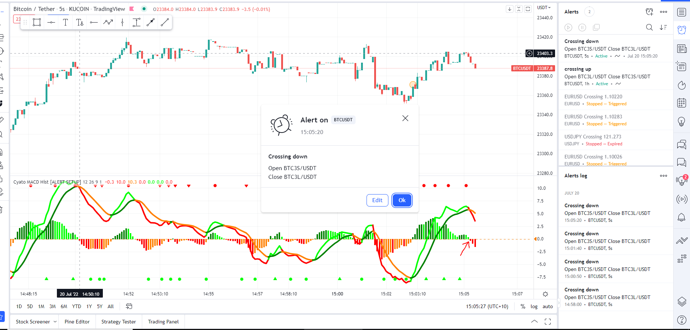
LTCUSDT | UNI3L/USDT | UNI3S/USDT | UNIUSDT |  |  | 20 |  | 0.017 | 20 | 0.0000 | 0.0000 | 5.0 | -5.0
MANAUSDT | VET3L/USDT | VET3S/USDT | VETUSDT |  |  | 20 |  | 0.017 | 20 | 0.0000 | 0.0000 | 5.0 | -5.0
MATICUSDT | XRP3L/USDT | XRP3S/USDT | XRPUSDT |  |  | 20 |  | 0.017 | 20 | 0.0000 | 0.0000 | 5.0 | -5.0
NEARUSDT
SANDUSDT
SOLUSDT
SUSHIUSDT
UNIUSDT
VETUSDT
XRPUSDT

 | AAVE3L/USDT | AAVE3S/USDT
 | ADA3L/USDT | ADA3S/USDT
 | APE3L/USDT | APE3S/USDT
 | ATOM3L/USDT | ATOM3S/USDT
 | AVAX3L/USDT | AVAX3S/USDT
 | AXS3L/USDT | AXS3S/USDT
 | BCH3L/USDT | BCH3S/USDT
 | BNB3L/USDT | BNB3S/USDT
 | DOGE3L/USDT | DOGE3S/USDT
 | DOT3L/USDT | DOT3S/USDT
 | EOS3L/USDT | EOS3S/USDT
 | ETH3L/USDT | ETH3S/USDT
 | FTM3L/USDT | FTM3S/USDT
 | GALAX3L/USDT | GALAX3S/USDT
 | GMT3L/USDT | GMT3S/USDT
 | JASMY3/LUSDT | JASMY3S/USDT
 | LINK3L/USDT | LINK3S/USDT
 | LTC3L/USDT | LTC3S/USDT
 | MANA3L/USDT | MANA3S/USDT
 | MATIC3L/USDT | MATIC3S/USDT
 | NEAR3L/USDT | NEAR3S/USDT
 | SAND3L/USDT | SAND3S/USDT
 | SOL3L/USDT | SOL3S/USDT
 | SUSHI3L/USDT | SUSHI3S/USDT
 | UNI3L/USDT | UNI3S/USDT
 | VET3L/USDT | VET3S/USDT
 | XRP3L/USDT | XRP3S/USDT

6 supertrend and MACD indicator
So basically there are 2 parts to this. To create a multiple indicator that has macd and supertrend.
We will use the existing MACD you have already made but add supertrend as another confirmation before opening orders
Currently the macd swaps from 3s to 3l as the 0 line crosses on macd. So one or the other is always open.
With the supertrend/macd that will not be the case there will be times when the criteria is not met and no trades will be opened.
Both conditions must be met on ST and MACCD to open a trade
When one condition changes trade is closed.
For a trade to go long -open 3l - the macd must csossover the 0 line and the supertrend must be green - buy signal
When either the macd crosses down below 0 or the ST turns red - sell. The trade close for that pair
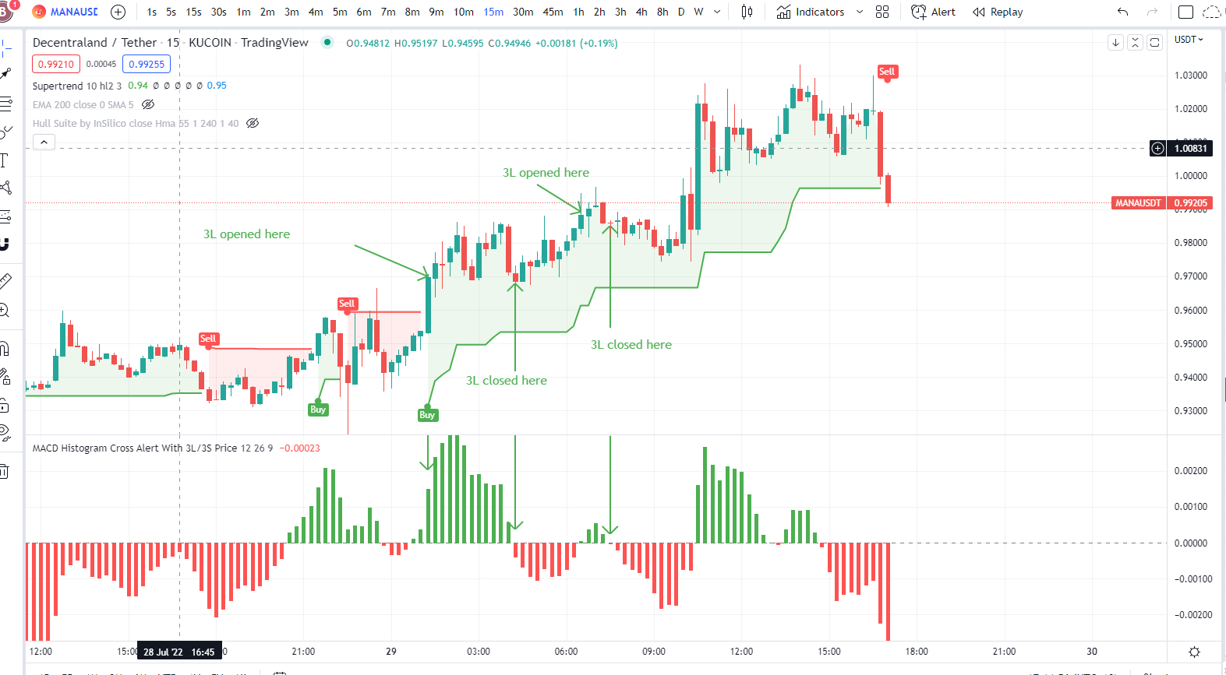

For a trade to go short -open 3s - the macd must cross down the 0 line and the supertrend must be red - sell signal
When either the macd crosses up above 0 or the ST turns green - buy. The trade close for that pair
So green MACD are ignored if ST is red and red MACD are ignored if ST is green

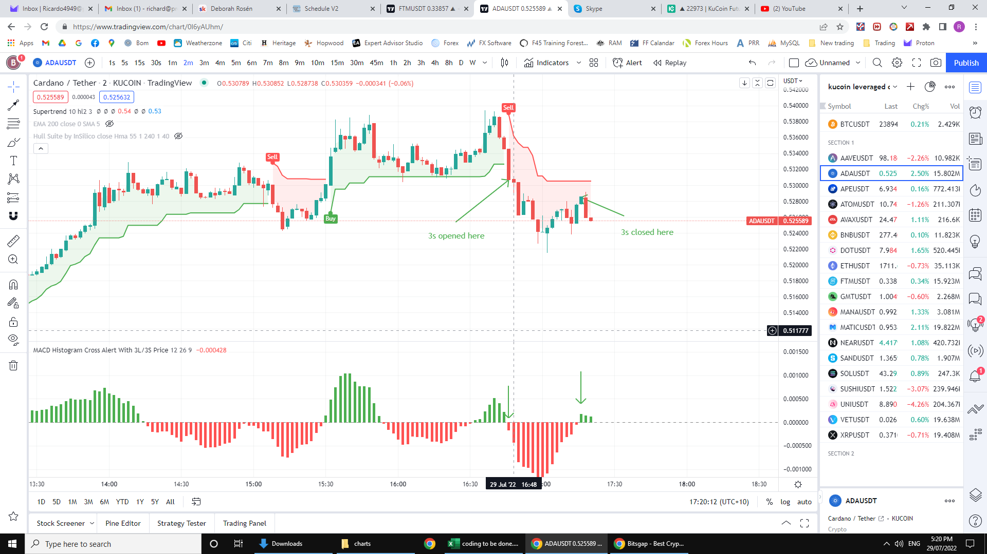

The 2nd part is to work out how the differet alert signals get to the app.
I might run up to 4 different trial bitsgap platforms at the same time.
I will start all 4 at the same time and run for 1 week.
The idea is to run different indicators / indicator settings and compare after 7 days to see which one is more profitable
So first question. Can the python server we set up have multiple URLs. If so then each indicator can send its signals to different urls and each app can receive the correct signals.
So 4 different bitsgap working with their own app and receiving the specific signals / alerts from TV tat I want to send to them. What will be the best way to make this work????

